Summary
This spreadsheet is a master index of the contents of the AIChe Process Safety Archives

Created by: | R.A. Freeman
Original Date | 13-Aug-19

Revision | 1
Rev Date | 19-Jan-21

Contents of the Archives
Item | Description | Date Ranges | Notes
CCPS | Center for Chemical Process Safety Symposia | 1987-2006
LPS | Loss Prevention Symposia | 1967 - 2005 | Symposium 1 - 39
PPSS | Process Plant Safety Symposium | 1992 -2005
BeaconList | Beacon Titles | November 2001 to December 2019
PSP | Process Safety Progress/Plant Operations Progress | Jan 1982 - Jun 2020 | Journal -Vol 1 No 1 to Jun 2020

Location of Databases
LPS | https://www.aiche.org/ccps/resources/safety-health-proceedings
CCPS | https://www.aiche.org/ccps/resources/safety-health-proceedings
PPSS | https://www.aiche.org/ccps/resources/safety-health-proceedings
Beacon | https://www.aiche.org/ccps/resources/process-safety-beacon/archives
PSP | https://aiche.onlinelibrary.wiley.com/journal/15475913

Instructions for Finding a Technical Paper in the AIChE Process Safety Archives
1 | This master index was created using Microsoft Excel. Therefore all Excel search commands
 | will can be used to find information.

2 | All relevant columns in the worksheet have been provided with a pull down filter.
 | The available filter elements are listed. Simply check the one of interest and all other
 | materials will be filtered out with those of your interest shown on the screen.
 | To return to the normal click the SELECT-ALL box.

3 | The basic find command is available as CTRL-F.
 | Enter whatever text you want and press return. This will search the workbook page you are on.
 | Found information will be highlighted in the row number box.
 | If you wish to search all worksheets then select option button in FIND menu and select the entire Workbook,
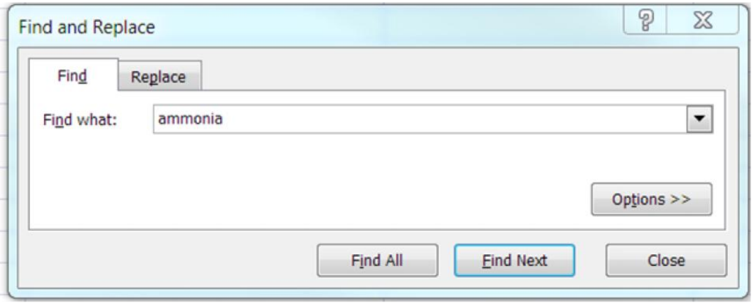

 |  |  | Click on Options >> for advanced search menu

 | This menu appears when you enter CTRL-F

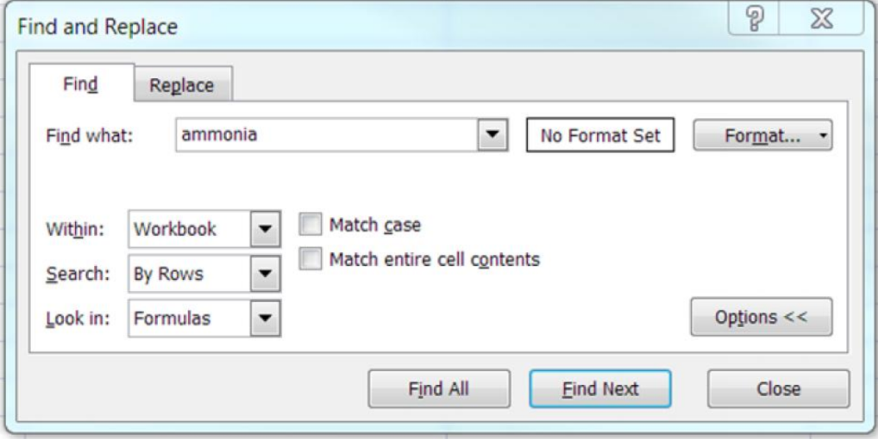

 |  |  | On the Within drop down select Workbook
 |  |  | Use this search menu for the entire Workbook

 | This menu appears when you click the option button on the Find menu

